VERSACE
 |  |  |  |  |  |  |  |  |  |  |  | € 1,217,000.00 | 1599
IMAGE | SKU | BRAND | PRODUCT | GROUP | SEASON | GENDER | COLOR | COMPOSITION | DESC_EN | MADE_IN | RETAIL PRICE | TOTAL RETAIL | TOT.QTY | TU | XS | S | M | L | XL | XXL | XXXL | 36 | 38 | 40 | 42 | 50 | 52 | 54 | 56
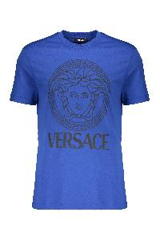 | 10118611A16047_2U240 | Versace | Blue Iconic Cotton Soft T-shirt | Clothing | SS | MAN | blu | 100% CO | Blue t-shirt made of soft and lightweight cotton with the logo print on the front. The shirt has a round neck and short sleeves, providing a comfortable and casual fit. Ideal for an informal look, perfect to pair with jeans or casual pants. Available in a variety of sizes.; 100% Cotton | TR | € 430.00 | € 8,600.00 | 20 |  |  |  | 13 | 7
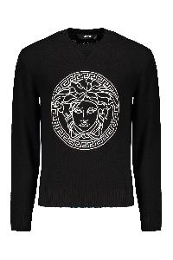 | 10118841A08648_1B000 | Versace | Cotton crew-neck sweater | Clothing | SS | MAN | nero | 100% CO | Front embroidered logo; 100% Cotton | RO | € 1,130.00 | € 80,230.00 | 71 |  |  |  |  |  |  |  |  |  |  |  |  | 19 | 24 | 13 | 15
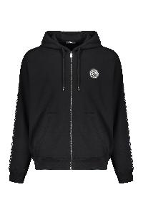 | 10121751A13795_2B020 | Versace | Cotton full zip hoodie | Clothing | SS | MAN | nero | 100% CO|95% CO 5% EA|100% PL | Front logo patch; Side stripes with contrasting logo; Two front pockets; 100% Cotton, 100% Polyester, 5% Elastane, 95% Cotton | AL | € 1,035.00 | € 49,680.00 | 48 |  |  |  |  |  | 18 | 15 | 15
 | 10118531A14057_2B150 | Versace | Cotton hoodie | Clothing | SS | MAN | nero | 100% CO | Adjustable hood; Front logo print; Ribbed cuffs and lower edge; Two side pockets; 100% Cotton | TR | € 805.00 | € 151,340.00 | 188 |  |  | 20 | 40 | 59 | 49 | 20
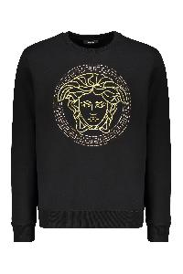 | 10118521A14074_2B130 | Versace | Cotton sweatshirt | Clothing | SS | MAN | nero | 100% CO | Ribbed collar and edges; Front embroidered logo; 100% Cotton, 100% Polyester | BG | € 1,035.00 | € 45,540.00 | 44 |  |  | 7 | 11 | 8 | 7 | 8 | 3
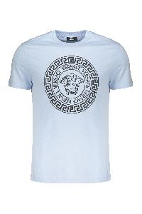 | 10118611A12076_2VI70 | Versace | Cotton T-shirt | Clothing | SS | MAN | azzurro | 100% CO | Ribbed neckline; Front logo print; 100% Cotton | BG | € 485.00 | € 485.00 | 1 |  |  |  |  | 1
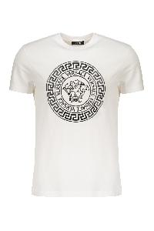 | 10118611A12076_2W020 | Versace | Cotton T-shirt | Clothing | SS | MAN | bianco | 100% CO | Front maxi print; 100% Cotton | BG | € 485.00 | € 485.00 | 1 |  |  |  |  |  |  |  | 1
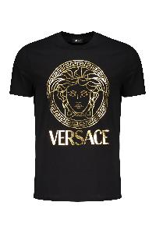 | 10118611A14053_2BI10 | Versace | Cotton T-shirt | Clothing | SS | MAN | nero | 100% CO | Front maxi print; 100% Cotton | TR | € 450.00 | € 450.00 | 1 |  |  |  |  | 1
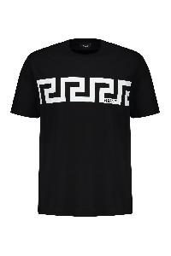 | 10144271A13835_2B020 | Versace | Cotton T-shirt | Clothing | SS | MAN | nero | 100% CO | Front maxi print; 100% Cotton | BG | € 395.00 | € 790.00 | 2 |  |  |  |  | 1 |  | 1
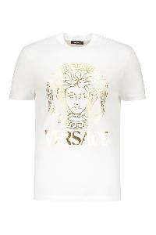 | 10118611A14053_2W110 | Versace | Cotton T-shirt | Clothing | SS | MAN | bianco | 100% CO | Ribbed neckline; Front logo print; 100% Cotton | BG | € 450.00 | € 9,000.00 | 20 |  |  |  |  |  |  | 10 | 10
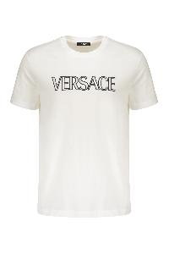 | 10118611A12070_2W020 | Versace | Cotton T-shirt | Clothing | SS | MAN | bianco | 100% CO | Front embroidered logo; 100% Cotton, 100% Viscose, 100% Polyester | AL | € 485.00 | € 16,490.00 | 34 |  |  |  |  |  | 20 | 10 | 4
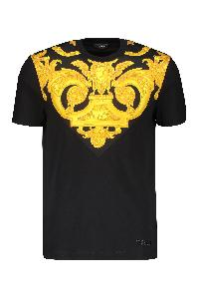 | 10121741A10245_5B000 | Versace | Cotton T-shirt | Clothing | SS | MAN | nero | 100% CO | Ribbed neckline; Contrasting front print; 100% Polyester, 100% Cotton | AL | € 620.00 | € 70,680.00 | 114 |  |  |  |  | 47 | 45 | 12 | 10
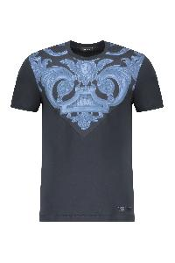 | 10121741A10245_5U960 | Versace | Cotton T-shirt | Clothing | SS | MAN | blu | 100% CO | Ribbed neckline; Front print; 100% Cotton, 100% Polyester | AL | € 620.00 | € 111,600.00 | 180 |  |  | 4 | 6 | 60 | 63 | 29 | 18
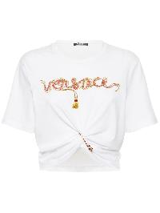 | 10041621A04551_2W070 | Versace | Cropped T-shirt with logo | Clothing | SS | WOMAN | bianco | 100% CO | This product is a cropped t-shirt in white, characterized by a soft and comfortable fit. The front features a graphic print with a simple yet eye-catching design that adds a touch of originality. The short sleeves and round neck provide a casual and versatile look, perfect for summer combinations or a relaxed outfit. Made from lightweight material, it is perfect for everyday use. The t-shirt is suitable for various styles and can be easily paired with jeans, trousers, or skirts.; 100% Cotton | IT | € 990.00 | € 13,860.00 | 14 |  |  |  |  |  |  |  |  | 4 | 7 | 1 | 2
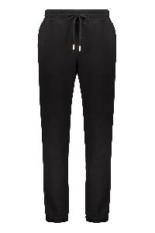 | 10144231A14059_5B000 | Versace | Drawstring waist track pants | Clothing | SS | MAN | nero | 100% CO | Elasticated ankle cuffs; Back logo detail; Two side pockets; 100% Cotton | TN | € 850.00 | € 3,400.00 | 4 |  |  |  |  |  |  |  | 4
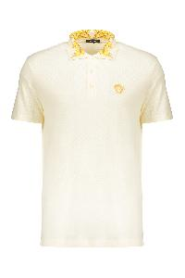 | 10122601A15633_2W0C0 | Versace | Elegant contrast collar cream polo | Clothing | SS | MAN | panna | 100% CO | Cream polo shirt with contrast collar. Made from a comfortable and lightweight material, this top is perfect for a casual yet stylish look. It features an embroidered logo on the chest, adding a touch of class. The shirt is equipped with short sleeves and a button closure at the collar. Perfect for informal occasions or for wearing in your free time. Available in various sizes.; 100% Cotton, 100% Polyester, 50% Cotton, 50% Polyester | TR | € 520.00 | € 37,960.00 | 73 |  |  | 9 | 22 | 24 | 12 | 6
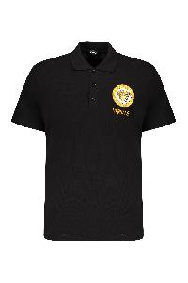 | 10118511A12074_2B130 | Versace | Embroidered cotton polo shirt | Clothing | SS | MAN | nero | 100% CO | Front embroidered logo; 100% Cotton | TN | € 575.00 | € 3,450.00 | 6 |  |  |  |  |  |  |  | 6
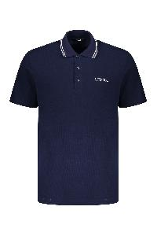 | 10118511A14049_1UI20 | Versace | Embroidered cotton polo shirt | Clothing | SS | MAN | blu | 100% CO | Front embroidered logo; 100% Cotton | TN | € 485.00 | € 19,400.00 | 40 |  |  |  |  |  | 26 | 9 | 5
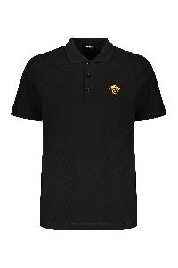 | A89507S1A14046_2B130 | Versace | Embroidered cotton polo shirt | Clothing | SS | MAN | nero | 100% CO | Front embroidered logo; 100% Cotton | TR | € 485.00 | € 19,400.00 | 40 |  |  |  |  |  |  | 17 | 23
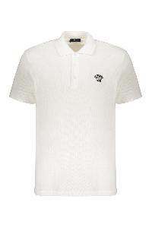 | A89507S1A14046_2W020 | Versace | Embroidered cotton polo shirt | Clothing | SS | MAN | bianco | 100% CO | Front embroidered logo; 100% Cotton | TN | € 485.00 | € 78,570.00 | 162 |  |  |  |  | 29 | 62 | 39 | 32
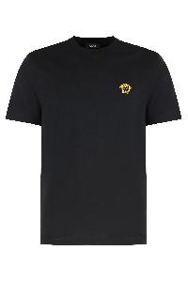 | A89500S1A14050_2BI10 | Versace | Embroidered cotton T-shirt | Clothing | SS | MAN | nero | 100% CO | Cotton jersey crew neck T-shirt with metallic Medusa embroidery on the chest. Ribbed neckline.; 100% Cotton, 100% Viscose, 100% Polyester | BG | € 345.00 | € 690.00 | 2 |  |  |  | 2
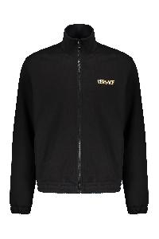 | 10144221A14059_5B000 | Versace | Full zip cotton hoodie | Clothing | SS | MAN | nero | 100% CO | Front logo print; Back gold-tone metallic effect maxi logo print; Elasticated cuffs and hemline; Stand up collar; Two front pockets; 100% Cotton | TN | € 1,080.00 | € 4,320.00 | 4 |  |  |  |  |  |  |  | 4
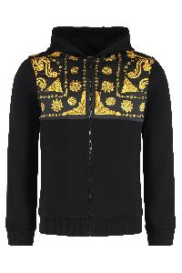 | 10215151A15809_5B000 | Versace | Full zip hoodie | Clothing | SS | MAN | nero | 100% CO | Cotton sweatshirt with printed satin inserts. Adjustable hood with drawstrings. Ribbed cuffs and bottom hem. Two front pockets.; 100% Cotton, 100% Polyester | BG | € 1,130.00 | € 146,900.00 | 130 |  |  | 19 | 43 | 41 | 18 | 9
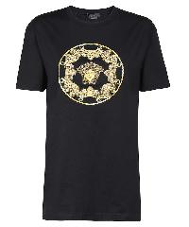 | 10064501A04417_1B000 | Versace | Logo cotton t-shirt | Clothing | SS | MAN | nero | 100%CO | Ribbed neckline; 100% Cotton | TN | € 1,195.00 | € 1,195.00 | 1 |  |  |  |  | 1
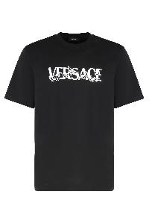 | 10144271A16040_2B020 | Versace | Logo cotton t-shirt | Clothing | SS | MAN | nero | 100% CO | Crew neck jersey T-shirt with printed logo on the front. Ribbed neckline trim. Perfect to match with jeans or sporty pants.; 100% Cotton | TR | € 345.00 | € 345.00 | 1 |  |  |  |  |  |  | 1
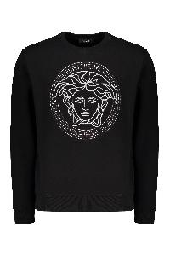 | 10118521A14074_2B900 | Versace | Logo detail cotton sweatshirt | Clothing | SS | MAN | nero | 100% CO | Lurex thread embroidery; 100% Cotton, 100% Metallic fibers, 100% Polyester | BG | € 1,035.00 | € 3,105.00 | 3 |  |  |  |  |  |  |  | 3
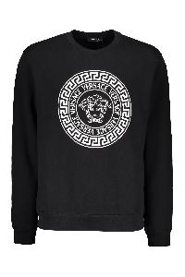 | 10118521A12064_2B020 | Versace | Logo detail cotton sweatshirt | Clothing | SS | MAN | nero | 100% CO | Front maxi print; 100% Cotton, 95% Cotton, 5% Elastane | BG | € 670.00 | € 40,200.00 | 60 |  |  | 16 | 23 | 21
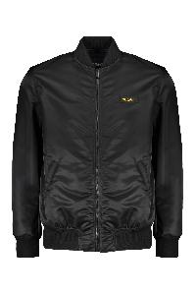 | 10118481A02115_1B000 | Versace | Padded bomber jacket | Clothing | SS | MAN | nero | 100% PA | Maxi embroidery on the back; Logo patch on the side; Ribbed knit edges; 100% Polyamide, 100% Polyester | RO | € 1,590.00 | € 1,590.00 | 1 |  |  |  |  |  |  |  |  |  |  |  |  |  | 1
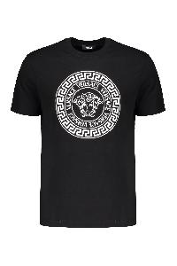 | 10118611A12076_2B020 | Versace | Printed cotton T-shirt | Clothing | SS | MAN | nero | 100% CO | Front logo print; 100% Cotton | BG | € 485.00 | € 485.00 | 1 |  |  |  |  | 1
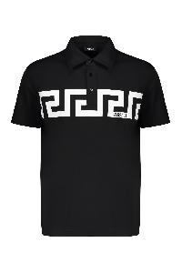 | 10192591A13841_2B020 | Versace | Short sleeve cotton polo shirt | Clothing | SS | MAN | nero | 100% CO | Front maxi print; 100% Cotton | BG | € 520.00 | € 22,360.00 | 43 |  |  | 12 | 21 | 10
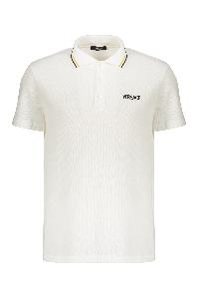 | 10118511A14049_1W000 | Versace | Short sleeve cotton polo shirt | Clothing | SS | MAN | bianco | 100% CO | Front embroidered logo; Contrasting stirped collar; 100% Cotton, 100% Viscose, 100% Polyester | TN | € 485.00 | € 24,735.00 | 51 |  |  |  |  |  | 33 | 18
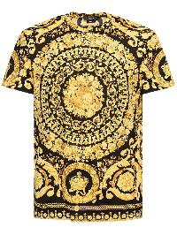 | 10066621A04612_5B000 | Versace | T-shirt with unique gold design | Clothing | SS | MAN | oro | 100% CO | T-shirt characterized by a spacious design in the center, with elaborate details and golden tones on a dark background. The shirt features a classic cut with short sleeves and a comfortable fit. Ideal for those looking for a bold and impactful piece, perfect for casual occasions or to enhance an evening look. Made with high-quality materials to ensure comfort and durability. Available in various sizes.; 100% Cotton | TN | € 850.00 | € 19,550.00 | 23 |  | 2 | 5 | 8 | 4 | 2 | 2
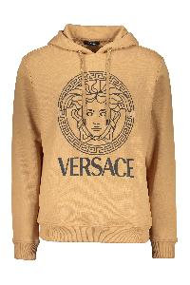 | 10118531A16088_2K500 | Versace | Versace modern caramel hooded sweatshirt | Clothing | SS | MAN | Cammello | 100% CO | Hooded sweatshirt with a modern and sporty design, made in a warm caramel color. It features a large Versace logo on the front, complemented by an iconic illustration. The fit is comfortable and easy to match, perfect for creating casual and trendy looks. The long sleeves and hood add a functional touch, making it ideal for cool days. This sweatshirt is a must-have for those who wish to combine style and comfort.; 94% Cotton, 6% Elastane, 100% Cotton | TR | € 740.00 | € 59,940.00 | 81 |  |  | 13 | 30 | 30 | 8
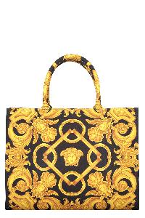 | 10145691A10399_5B00V | Versace | Canvas tote bag | Bags | SS | WOMAN | nero | 100% PL|100% LAMB LE | Jacquard motif canvas item; Two rigid handles; Internal zippered pocket; Removable strap; Gold-tone metal hardware; Leather inserts; Cotton lining; Width: 39 cm; Height: 29 cm; Depth: 17 cm; Strap: 105 cm; 100% Polyester, 100% Leather, 100% Cotton | IT | € 1,405.00 | € 35,125.00 | 25 | 25
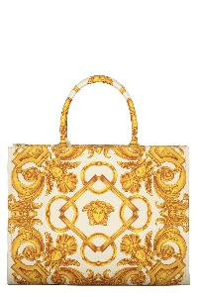 | 10145691A10399_2KM5V | Versace | Canvas tote bag | Bags | SS | WOMAN | avorio | 100% PL|100% LAMB LE | Jacquard motif canvas item; Two rigid handles; Internal zippered pocket; Removable strap; Gold-tone metal hardware; Leather inserts; Cotton lining; Width: 39 cm; Height: 29 cm; Depth: 17 cm; Strap: 105 cm; 100% Polyester, 100% Leather, 100% Cotton | IT | € 1,405.00 | € 68,845.00 | 49 | 49
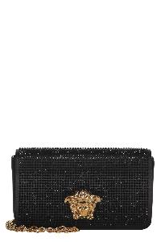 | 10155311A11245_1B00V | Versace | Elegant black clutch with golden closure | Bags | SS | WOMAN | nero | 72% VI 28% SE | Elegant clutch made of high-quality black material. It features a secure closure and a distinctive golden decoration on the front, adding a touch of sophistication. Inside, there is a compartment and three slots that allow for the organization of cards in a practical way. This essential accessory is perfect for any occasion, combining functionality and style.; Width: 18 cm; Height: 10.5 cm; Depth: 4 cm; Strap: 120 cm; 72% Viscose, 28% Silk | IT | € 1,695.00 | € 16,950.00 | 10 | 10
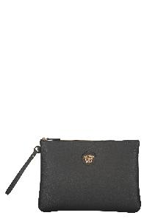 | 1013358DVIT2T_1B00V | Versace | Elegant black clutch. | Bags | SS | WOMAN | nero | 100% CALF LE | This elegant black clutch features a minimalist and refined design. Made from high-quality material, it has a zip closure to keep your belongings secure. The distinctive metal logo adds a touch of luxury. With a practical handle, this bag is ideal for formal occasions or everyday use, perfect for carrying essentials in style.; Width: 31 cm; Height: 22 cm; Depth: 2 cm; 100% Calf | IT | € 660.00 | € 1,320.00 | 2 | 2
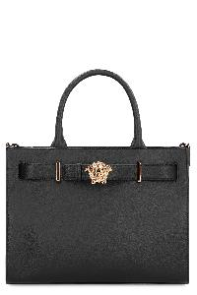 | 1015537DVIT2T_1B00V | Versace | Large leather tote bag | Bags | SS | WOMAN | nero | 100% CALF LE | Pebbled leather bag. Metal Medusa plate on the front. Flat pocket applied on the back. Top zip closure. Two internal pockets. Removable and adjustable leather shoulder strap. Gold-tone metal hardware. Contrast canvas lining.; Width: 34 cm; Height: 26 cm; Depth: 15 cm; Shoulder strap: 120 cm; 100% Calf | RO | € 1,955.00 | € 9,775.00 | 5 | 5
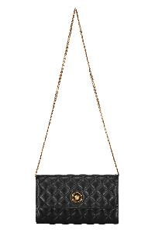 | DBSI159S1A03912_1B00V | Versace | Leather clutch with logo | Bags | SS | WOMAN | nero | 60% CO 40% VI|100% LAMB LE | Quilted leather item; Magnetic flap closure; Two internal compartments with central zippered pocket; Internal flat pocket; Ten card slots; Removable chain strap; Gold-tone metal hardware; Fabric lining; Width: 21,5 cm; Height: 12,5 cm; Depth: 3 cm; Strap: 96 cm; 100% Lamb, 40% Viscose, 60% Cotton | IT | € 1,150.00 | € 1,150.00 | 1 | 1
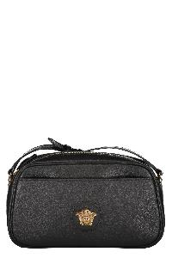 | 1014248DVIT2T_1B00V | Versace | Leather crossbody bag | Bags | SS | WOMAN | nero | 100% CO|100% CALF LE | Calf leather item; Top zippered closure; Front flat pocket; Internal flat pocket; Embossed metal logo; Leather adjustable strap; Gold-tone metal hardware; Fabric lining; Width: 24,5 cm; Height: 13,5 cm; Depth: 7 cm; Strap: 120 cm; 100% Cotton, 100% Calf | IT | € 1,235.00 | € 1,235.00 | 1 | 1
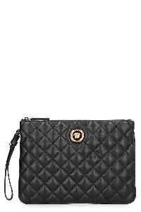 | 10155791A03912_1B00V | Versace | Leather flat pouch | Bags | SS | WOMAN | nero | 100% LAMB LE | Quilted leather pouch. Gold-tone metallic logo applied to the front. Zipper closure. Removable wrist strap. Six card slots. Gold-tone metal hardware. Fabric lining. ; Width: 26 cm ; Height: 18 cm ; Depth: 2 cm; 100% Lamb | RO | € 840.00 | € 34,440.00 | 41 | 41
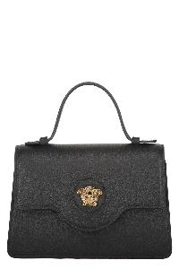 | 1015524DVIT2T_1B00V | Versace | Leather mini bag | Bags | SS | WOMAN | nero | 100% CO|100% CALF LE | Calf leather item; Push-lock closure flap with metal logo; One card slot; Leather top handle; Adjustable and removable leather shoulder strap; Gold-tone metal hardware; Fabric lining; Width: 19 cm; Height: 13,5 cm; Depth: 5,5 cm; Strap: 112 cm; 100% Calf, 100% Cotton | IT | € 1,335.00 | € 1,335.00 | 1 | 1

